Week 8
Project Title: CardioCare Quest |  |  |  |  | Report for | Week 14 (Apr 20 - Apr 24)
 | Team Members:
 | 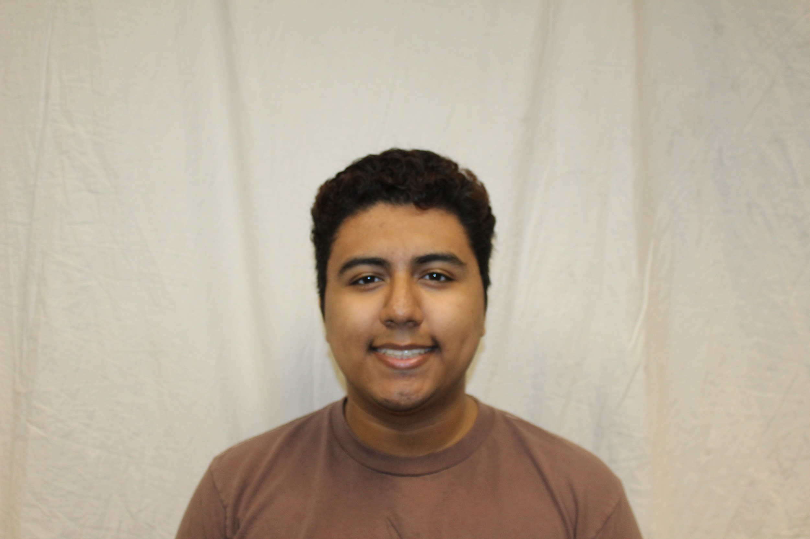 |  | 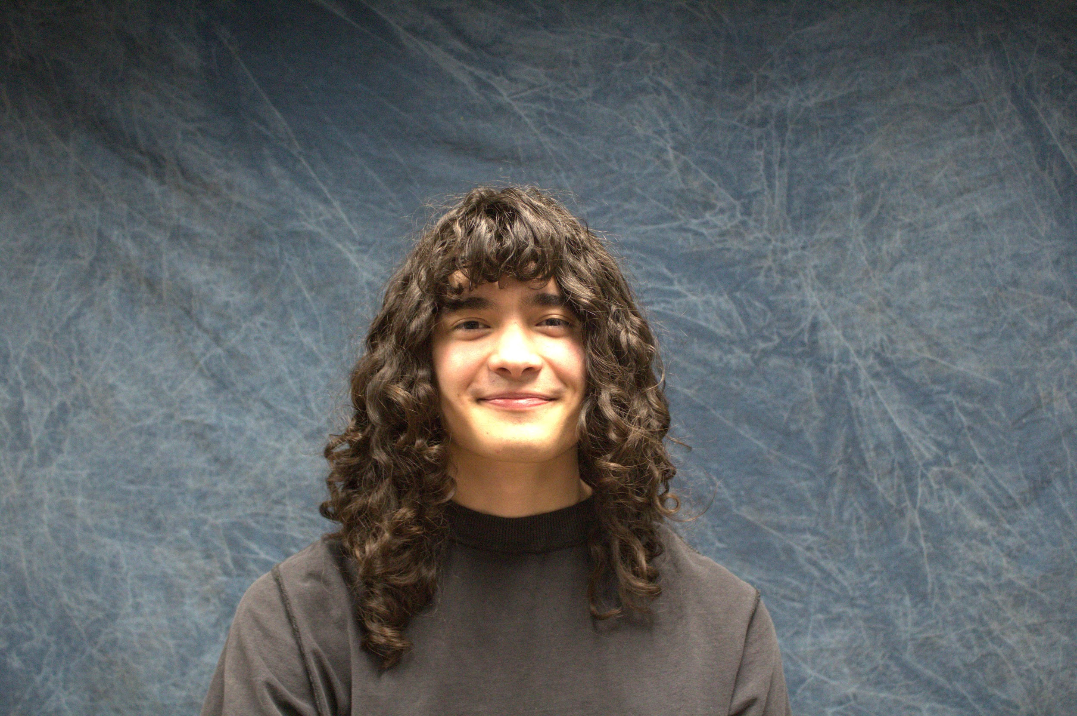 | 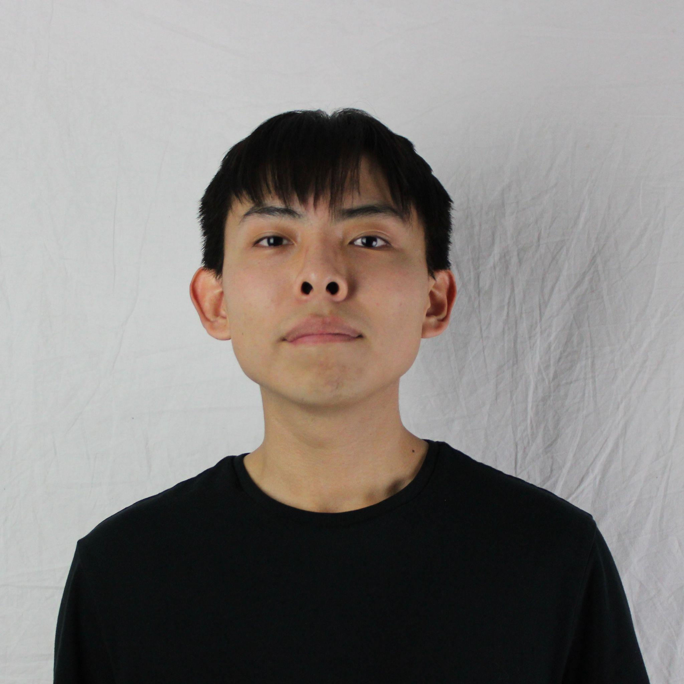
 | Jesse Ceja | Anna Cheatham | Tyler Jeffrey | Rique Trujillo Yazzie
 |  |  |  |  |  |  |  |  |  |  |  | XXX
Task ID | Status | Description |  |  | Assigned to | Start Date | Start Week | Expected End Date | Finished on Week | Measurable Outcome | Actual Outcome | XXX
N/A | <pick a status from the list> | <2-3 sentences to describe what is involved with the task and its goals in more detail> |  |  | <who’s responsible; if multiple persons, to what percentage> | <date task created> | <pick a week from the list> | <date task is due> | <pick a week from the list> | <Concise statement of exactly what deliverable is expected with notes on expectations of quality and/or completion> | <Concise statement of exactly what was delivered and at what level of quality>
1 | Done | Finalizing Presentation Materials for Undergrad Symposium. |  |  | Tyler Jeffrey, Jesse Ceja, Anna Cheatham, Rique Yazzie. Specific portions will be outlined in tasks below. | 3/29/2026 | Week 11 (Mar 30 - Apr 3) | 4/17/2026 | Week 13 (Apr 13 - Apr 17) | Finalize and submit all materials required for symposium: abstract, poster, and demo. | All project materials for the symposium have been uploaded. This includes the following: abstract, demo, poster, and video recording. | XXX
2 | Done | Presentation Materials: Poster design |  |  | Anna Cheatham | 3/29/2026 | Week 11 (Mar 30 - Apr 3) | 4/17/2026 | Week 13 (Apr 13 - Apr 17) | Map out poster design and flow. Will be using Canva to create and edit the poster. | Poster has been completed and submitted. Design has been discussed with Pavan. | XXX
3 | Done | Requirements Document: Adherence Game |  |  | Anna Cheatham | 4/2/2026 | Week 11 (Mar 30 - Apr 3) | 4/10/2026 | Week 13 (Apr 13 - Apr 17) | Detail a list of functional and non-functional requirements for the Twine adherence game. | List of FR and NFR have been listed and detailed. | XXX
4 | Done | Requirements Document: Blood Pressure Game |  |  | Tyler Jeffrey, Jesse Ceja, Anna Cheatham, Rique Yazzie. | 4/2/2026 | Week 11 (Mar 30 - Apr 3) | 4/16/2026 | Week 13 (Apr 13 - Apr 17) | Detail a list of functional and non-functional requirements for the Twine blood pressure game. This includes every mini-game we will be implementing. | List of FR and NFR have been listed and detailed. | XXX
5 | Done | Meeting with CardioCare Quest team lead Pavan Gorintla |  |  | Tyler Jeffrey, Jesse Ceja, Anna Cheatham, Rique Yazzie. | 4/15/2026 | Week 13 (Apr 13 - Apr 17) | 4/15/2026 | Week 13 (Apr 13 - Apr 17) | Share game ideas and discuss our listed requirements. Also sharing symposium presentation materials. | Shared symposium materials and discussed game ideas. Walked through an example presentation. | XXX
6 | In progress | Design Review: Intro, Solution Overview, Key Reqs, Schedule |  |  | Tyler Jeffrey | 4/19/2026 | Week 14 (Apr 20 - Apr 24) | 4/24/2026 |  | Create and design presentation slides covering the outlined content. Ensure a consistent format and minimal wording. |  | XXX
7 | In progress | Design Review: Problem Statement, Risks & Feasibility |  |  | Jesse Ceja | 4/19/2026 | Week 14 (Apr 20 - Apr 24) | 4/24/2026 |  | Create and design presentation slides covering the outlined content. Ensure a consistent format and minimal wording. |  | XXX
8 | In progress | Design Review: Key Reqs, Conclusion |  |  | Anna Cheatham, Rique Yazzie | 4/19/2026 | Week 14 (Apr 20 - Apr 24) | 4/24/2026 |  | Create and design presentation slides covering the outlined content. Ensure a consistent format and minimala wording. |  | XXX
9 | In progress | Prototype Demo: Twine Development |  |  | Jesse Ceja, Tyler Jeffrey | 4/19/2026 | Week 14 (Apr 20 - Apr 24) | 4/30/2026 |  | Create a functioning Twine game prototype collecting exercise-related data and having it affect gameplay. |  | XXX
10 | In progress | Prototype Demo: Web Design |  |  | Rique Yazzie, Anna Cheatham | 4/19/2026 | Week 14 (Apr 20 - Apr 24) | 4/30/2026 |  | Polish the functioning prototype by adding CSS styling and importing any assets that may be required. |  | XXX
11 | Next up | Project Info Mini-Video |  |  | Tyler Jeffrey, Jesse Ceja, Rique Yazzie, Anna Cheatham | 4/23/2026 | Week 14 (Apr 20 - Apr 24) | 4/30/2026 |  | Create a ~2 minute elevator pitch video for the project. |  | XXX
12 | Next up | Meeting with CardioCare Quest team lead Pavan Gorintla |  |  | Tyler Jeffrey, Jesse Ceja, Rique Yazzie, Anna Cheatham | 4/29/2026 | Week 15 (Apr 27 - May 1) | 4/29/2026 |  | Showcase the requirements document and the functioning prototype. Begin looking at the next steps moving into the second semester of capstone. |  | XXX
13 |  |  |  |  |  |  |  |  |  |  |  | XXX
14 |  |  |  |  |  |  |  |  |  |  |  | XXX
15 |  |  |  |  |  |  |  |  |  |  |  | XXX
16 |  |  |  |  |  |  |  |  |  |  |  | XXX
17 |  |  |  |  |  |  |  |  |  |  |  | XXX
18 |  |  |  |  |  |  |  |  |  |  |  | XXX
19 |  |  |  |  |  |  |  |  |  |  |  | XXX
20 |  |  |  |  |  |  |  |  |  |  |  | XXX
21 |  |  |  |  |  |  |  |  |  |  |  | XXX
22 |  |  |  |  |  |  |  |  |  |  |  | XXX
23 |  |  |  |  |  |  |  |  |  |  |  | XXX
24 |  |  |  |  |  |  |  |  |  |  |  | XXX
25 |  |  |  |  |  |  |  |  |  |  |  | XXX
26 |  |  |  |  |  |  |  |  |  |  |  | XXX
27 |  |  |  |  |  |  |  |  |  |  |  | XXX
28 |  |  |  |  |  |  |  |  |  |  |  | XXX
29 |  |  |  |  |  |  |  |  |  |  |  | XXX
30 |  |  |  |  |  |  |  |  |  |  |  | XXX
31 |  |  |  |  |  |  |  |  |  |  |  | XXX
32 |  |  |  |  |  |  |  |  |  |  |  | XXX
33 |  |  |  |  |  |  |  |  |  |  |  | XXX
34 |  |  |  |  |  |  |  |  |  |  |  | XXX
35 |  |  |  |  |  |  |  |  |  |  |  | XXX
36 |  |  |  |  |  |  |  |  |  |  |  | XXX
37 |  |  |  |  |  |  |  |  |  |  |  | XXX
38 |  |  |  |  |  |  |  |  |  |  |  | XXX
39 |  |  |  |  |  |  |  |  |  |  |  | XXX
40 |  |  |  |  |  |  |  |  |  |  |  | XXX
41 |  |  |  |  |  |  |  |  |  |  |  | XXX
42 |  |  |  |  |  |  |  |  |  |  |  | XXX
43 |  |  |  |  |  |  |  |  |  |  |  | XXX
44 |  |  |  |  |  |  |  |  |  |  |  | XXX
45 |  |  |  |  |  |  |  |  |  |  |  | XXX
46 |  |  |  |  |  |  |  |  |  |  |  | XXX
47 |  |  |  |  |  |  |  |  |  |  |  | XXX
48 |  |  |  |  |  |  |  |  |  |  |  | XXX
49 |  |  |  |  |  |  |  |  |  |  |  | XXX
50 |  |  |  |  |  |  |  |  |  |  |  | XXX
51 |  |  |  |  |  |  |  |  |  |  |  | XXX
52 |  |  |  |  |  |  |  |  |  |  |  | XXX
53 |  |  |  |  |  |  |  |  |  |  |  | XXX
54 |  |  |  |  |  |  |  |  |  |  |  | XXX
55 |  |  |  |  |  |  |  |  |  |  |  | XXX
56 |  |  |  |  |  |  |  |  |  |  |  | XXX
57 |  |  |  |  |  |  |  |  |  |  |  | XXX
58 |  |  |  |  |  |  |  |  |  |  |  | XXX
59 |  |  |  |  |  |  |  |  |  |  |  | XXX
60 |  |  |  |  |  |  |  |  |  |  |  | XXX
61 |  |  |  |  |  |  |  |  |  |  |  | XXX
62 |  |  |  |  |  |  |  |  |  |  |  | XXX
63 |  |  |  |  |  |  |  |  |  |  |  | XXX
64 |  |  |  |  |  |  |  |  |  |  |  | XXX
65 |  |  |  |  |  |  |  |  |  |  |  | XXX
66 |  |  |  |  |  |  |  |  |  |  |  | XXX
67 |  |  |  |  |  |  |  |  |  |  |  | XXX
68 |  |  |  |  |  |  |  |  |  |  |  | XXX
69 |  |  |  |  |  |  |  |  |  |  |  | XXX
70 |  |  |  |  |  |  |  |  |  |  |  | XXX
71 |  |  |  |  |  |  |  |  |  |  |  | XXX
72 |  |  |  |  |  |  |  |  |  |  |  | XXX
73 |  |  |  |  |  |  |  |  |  |  |  | XXX
74 |  |  |  |  |  |  |  |  |  |  |  | XXX
75 |  |  |  |  |  |  |  |  |  |  |  | XXX
76 |  |  |  |  |  |  |  |  |  |  |  | XXX
77 |  |  |  |  |  |  |  |  |  |  |  | XXX
78 |  |  |  |  |  |  |  |  |  |  |  | XXX

